Sheet1
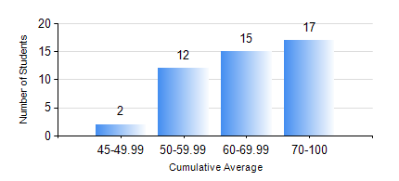
 |  |  | KWAME NKRUMAH UNIVERSITY OF SCIENCE AND TECHNOLOGY, KUMASI Department of Mechanical Engineering

 |  |  | BSC. AEROSPACE ENG., General Option

 |  |  | COMPREHENSIVE RECORD OF EXAMINATION RESULTS

 |  |  | RESULTS OF YEAR 1 SECOND SEMESTER, 2018/2019 ACADEMIC YEAR

 | Sn | Course Code |  | Course Name | Credit Hours | Min. Mark | Max. Mark | Avg. Mark | Std. Dev. | No. Passed | No. Trailed | No. (Df) | No. (I) | No. (I*) | No. Tagged(I,I*,Df) | Total
 | 1. | AERO 174 |  | AEROSPACE DESIGN PROJECT I | 2 | 49 | 85 | 70 | 8.7 | 46 | 0 | 0 | 0 | 0 | 0 | 46
 | 2. | EE 152 |  | BASIC ELECTRONICS | 2 | 46 | 89 | 70 | 10.71 | 46 | 0 | 0 | 0 | 0 | 0 | 46
 | 3. | ENGL 158 |  | COMMUNICATION SKILLS II | 2 | 44 | 78 | 67 | 7.13 | 46 | 0 | 0 | 0 | 0 | 0 | 46
 | 4. | MATH 152 |  | CALCULUS WITH ANALYSIS | 4 | 40 | 90 | 64 | 12.4 | 46 | 0 | 0 | 0 | 0 | 0 | 46
 | 5. | ME 158 |  | ENGINEERING GRAPHICS | 3 | 29 | 88 | 67 | 15.03 | 43 | 3 | 0 | 0 | 0 | 0 | 46
 | 6. | ME 164 |  | STATICS OF SOLID MECHANICS | 2 | 50 | 90 | 76 | 10.03 | 46 | 0 | 0 | 0 | 0 | 0 | 46
 | 7. | ME 168 |  | COMPUTER PROGRAMMING FOR ENGINEERS | 2 | 40 | 87 | 69 | 11.37 | 46 | 0 | 0 | 0 | 0 | 0 | 46

